Sheet1
Department | Asset | Notes | General/Exotic | example
Environmental art | Box 1 | Player can hide | General | 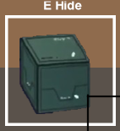
Environmental art | Box 2 | Can't hide | General | 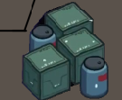
Environmental art | Tool box |  | General
Environmental art | Electric brake |  | General
Environmental art | Varia car | Player can hide | General
Environmental art | Detective door | The angle is like this | Exotic
Environmental art | Bolt driver |  | Exotic
Environmental art | Water dispenser |  | General
Environmental art | Water dispenser | dangerous | Exotic
Environmental art | Computer Table | it's placed in the corner | Exotic | 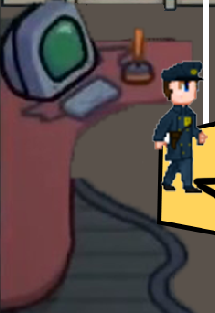
Environmental art | Electric box | Placed in corner | Exotic | 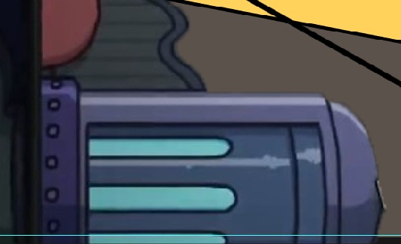
Environmental art | Table | with water cup | General
Environmental art | Table | with water cup, angle is different | General | 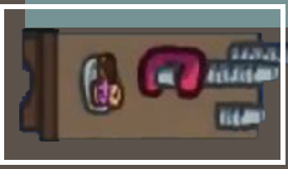
Environmental art | Desk |  | Exotic | 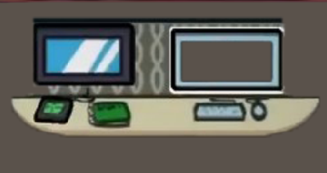
Environmental art | Cabinet |  | General | 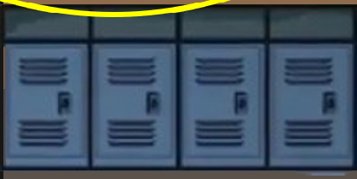
Environmental art | Book shelf |  | General | 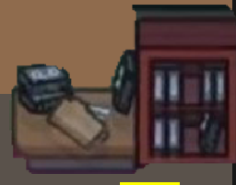
Environmental art | bathtub | angle like this | Exotic | 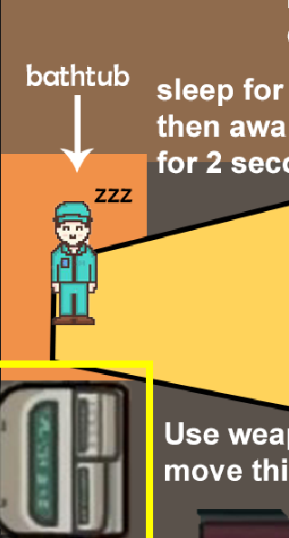
Environmental art | wash basin |  | Exotic | 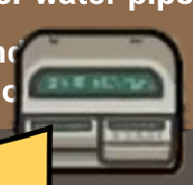
Environmental art | Sofa |  | General | 
Environmental art | closestool |  | Exotic
Environmental art | Manhole cover |  |  | 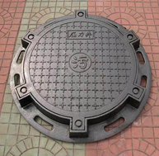
Environmental art | Secret passage | special wall | Exotic
Environmental art | Medicine pot |  | Exotic
Environmental art | Alert |  | General
Environmental art | Rat clip |  | Exotic
Environmental art | export | player come here after he finish goal | Exotic

